Calc. Sheet
Resistance NTC (T)
Calculate the Resistance of an NTC at different Temperatures
Enter the yellow values and read values from the table. Note: For large temperature deltas form beta min and max the calculatation is not very precise.
beta | beta range min. | beta range max. | RNTC 25 [Ohm] | T [°K] | T [°C] | RNTC[Ohm] | UNTC [V] | INTC [mA] | PNTC [mW] | Warming due to INTC [°K]
3490 | 25 | 85 | 10,000 | 233.15 | -40 | 261,379.11 | 4.91 | 0.02 | 0.09 | 0.05
Connection example: |  |  |  | 238.15 | -35 | 190,889.97 | 4.88 | 0.03 | 0.12 | 0.06
Dissipation factor D [mW/K] | Pull-Up Resistance [Ohm] | VCC [V] |  | 243.15 | -30 | 141,224.05 | 4.84 | 0.03 | 0.17 | 0.08
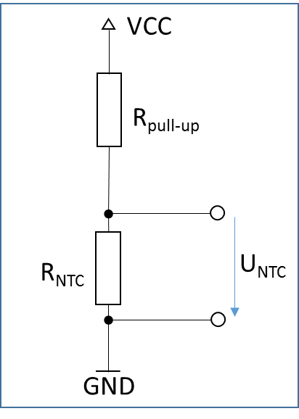
2.00 | 4,700 | 5 |  | 248.15 | -25 | 105,756.78 | 4.79 | 0.05 | 0.22 | 0.11
 |  |  |  | 253.15 | -20 | 80,106.78 | 4.72 | 0.06 | 0.28 | 0.14
 |  |  |  | 258.15 | -15 | 61,334.32 | 4.64 | 0.08 | 0.35 | 0.18
 |  |  |  | 263.15 | -10 | 47,439.99 | 4.55 | 0.10 | 0.44 | 0.22
 |  |  |  | 268.15 | -5 | 37,046.40 | 4.44 | 0.12 | 0.53 | 0.27
 |  |  |  | 273.15 | 0 | 29,193.04 | 4.31 | 0.15 | 0.64 | 0.32
 |  |  |  | 278.15 | 5 | 23,202.37 | 4.16 | 0.18 | 0.75 | 0.37
 |  |  |  | 283.15 | 10 | 18,591.23 | 3.99 | 0.21 | 0.86 | 0.43
 |  |  |  | 288.15 | 15 | 15,011.48 | 3.81 | 0.25 | 0.97 | 0.48
 |  |  |  | 293.15 | 20 | 12,209.76 | 3.61 | 0.30 | 1.07 | 0.53
 |  |  |  | 298.15 | 25 | 10,000.00 | 3.40 | 0.34 | 1.16 | 0.58
 |  |  |  | 303.15 | 30 | 8,244.29 | 3.18 | 0.39 | 1.23 | 0.62
Resistance NTC (T)Lin - Log
 |  |  |  | 308.15 | 35 | 6,839.54 | 2.96 | 0.43 | 1.28 | 0.64
 |  |  |  | 313.15 | 40 | 5,708.10 | 2.74 | 0.48 | 1.32 | 0.66
 |  |  |  | 318.15 | 45 | 4,790.99 | 2.52 | 0.53 | 1.33 | 0.66
 |  |  |  | 323.15 | 50 | 4,043.08 | 2.31 | 0.57 | 1.32 | 0.66
 |  |  |  | 328.15 | 55 | 3,429.61 | 2.11 | 0.62 | 1.30 | 0.65
 |  |  |  | 333.15 | 60 | 2,923.64 | 1.92 | 0.66 | 1.26 | 0.63
 |  |  |  | 338.15 | 65 | 2,504.10 | 1.74 | 0.69 | 1.21 | 0.60
 |  |  |  | 343.15 | 70 | 2,154.48 | 1.57 | 0.73 | 1.15 | 0.57
 |  |  |  | 348.15 | 75 | 1,861.69 | 1.42 | 0.76 | 1.08 | 0.54
 |  |  |  | 353.15 | 80 | 1,615.35 | 1.28 | 0.79 | 1.01 | 0.51
 |  |  |  | 358.15 | 85 | 1,407.18 | 1.15 | 0.82 | 0.94 | 0.47
 |  |  |  | 363.15 | 90 | 1,230.50 | 1.04 | 0.84 | 0.87 | 0.44
 |  |  |  | 368.15 | 95 | 1,079.93 | 0.93 | 0.87 | 0.81 | 0.40
 |  |  |  | 373.15 | 100 | 951.11 | 0.84 | 0.88 | 0.74 | 0.37
 |  |  |  | 378.15 | 105 | 840.47 | 0.76 | 0.90 | 0.68 | 0.34
 |  |  |  | 383.15 | 110 | 745.11 | 0.68 | 0.92 | 0.63 | 0.31
 |  |  |  | 388.15 | 115 | 662.61 | 0.62 | 0.93 | 0.58 | 0.29
 |  |  |  | 393.15 | 120 | 591.02 | 0.56 | 0.94 | 0.53 | 0.26
 |  |  |  | 398.15 | 125 | 528.67 | 0.51 | 0.96 | 0.48 | 0.24
 |  |  |  | 403.15 | 130 | 474.21 | 0.46 | 0.97 | 0.44 | 0.22
 |  |  |  | 408.15 | 135 | 426.50 | 0.42 | 0.98 | 0.41 | 0.20
 |  |  |  | 413.15 | 140 | 384.57 | 0.38 | 0.98 | 0.37 | 0.19
 |  |  |  | 418.15 | 145 | 347.62 | 0.34 | 0.99 | 0.34 | 0.17
 |  |  |  | 423.15 | 150 | 314.97 | 0.31 | 1.00 | 0.31 | 0.16

